Sheet1
Do Business undergrads achieve higher MBA grades on average than the rest?
Confidence Intervals for Independent Samples

 |  | Legacy Excel Formulas |  |  | Legacy Excel Formulas |  | Legacy Excel Formulas |  | Legacy Excel Formulas
Business Undergrads | Other Undergrads | SAMPLE DATA |  |  | POINT ESTIMATE |  | MARGIN OF ERROR |  | CONFIDENCE INTERVAL
90.2 | 68.7 |  | Business | Other | x̄1-x̄2: | 1.9 | Confidence Level: | 90% | Lower Limit: | -0.4
92.8 | 80.7 | Sample Size (n): | 36 | 59 |  |  | Alpha: | 10% | Upper Limit: | 4.1
88.7 | 74.9 | n-1: | 35 | 58 |  |  | Alpha/2: | 0.05
87.5 | 80.7 | Mean (x̄): | 81.3 | 79.5 |  |  | Degrees of Freedom: | 66.53
71.3 | 83.3 | Variance (s2): | 44.14 | 33.74 |  |  | Critical Value (T): | 1.668
72.3 | 75.4 | s2/n: | 1.226 | 0.572 |  |  | Standard Error: | 1.34
96.1 | 82.1 |  |  |  |  |  | Margin of Error: | 2.24
80.3 | 66.9
79.1 | 76.8
87.5 | 72.4
80.8 | 72
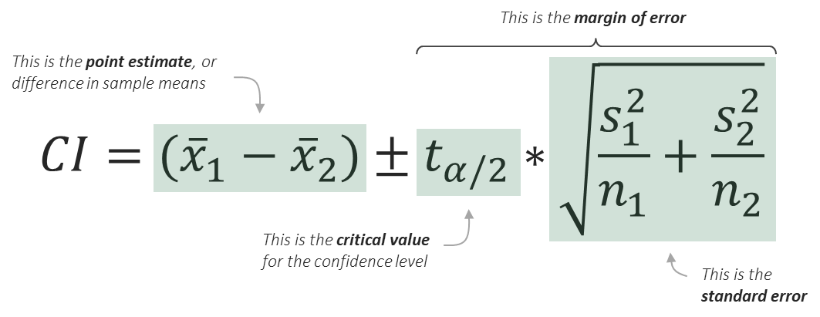
88.9 | 81
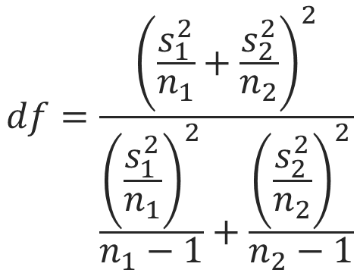
82.3 | 76.7
83.4 | 77.8
77.8 | 62.6
71 | 80.2
87.2 | 77.8
82.9 | 75.1
75.1 | 82.2
74.9 | 70.5
81.7 | 70.8
83.8 | 79.5
74.8 | 79.6
82.7 | 85.9
84 | 76.7
80.1 | 79.9
79.6 | 86.2
78.9 | 79.2
72 | 85.2
74.2 | 80.2
71.7 | 73.5
87.4 | 74.6
77.4 | 85.1
78.8 | 84.6
92.7 | 81.4
77.9 | 88.5
 | 84.9
 | 84.3
 | 78.2
 | 80
 | 78.5
 | 71.8
 | 69.9
 | 74
 | 84.7
 | 78.2
 | 85
 | 85.3
 | 79.7
 | 78.5
 | 80.7
 | 84.1
 | 84.7
 | 88.8
 | 86.6
 | 86.1
 | 89.9
 | 83.1
 | 82.6

